Bug Report
BUG REPORT
Bug ID | B01 | B02 | B03 | B04 | B05
Module | My info | My info | My info | My info | My info
Requirements | Personal Details | Personal Details | Personal Details | Personal Details | Personal Details
Test Case Name | Log_02 | Log_03 | Log_07 | Log_08 | Log_17
Release | QA | QA | QA | QA | QA
Status | New/Open/tO-DO | New/Open/tO-DO | New/Open/tO-DO | New/Open/tO-DO | New/Open/tO-DO
Reporter | Jayant Dhikale | Jayant Dhikale | Jayant Dhikale | Jayant Dhikale | Jayant Dhikale
Date | 2022-10-24 | 2022-10-24 | 2022-10-24 | 2022-10-24 | 2022-10-24
Assign To | Developer | Developer | Developer | Developer | Developer
CC | TL/PM | TL/PM | TL/PM | TL/PM | TL/PM
Severity | S2 | S2 | S2 | S2 | S1
Priority | P2 | P2 | P2 | P2 | P2
Server | QA | QA | QA | QA | QA
Platform | Web | Web | Web | Web | Web
Build No. | 5.1 | 5.1 | 5.1 | 5.1 | 5.1
Test Data | 12345 | Abc defg | 12345 | 12 345 | NA
Attachment | 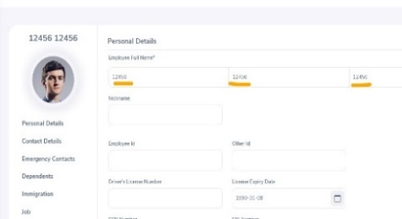 NA | 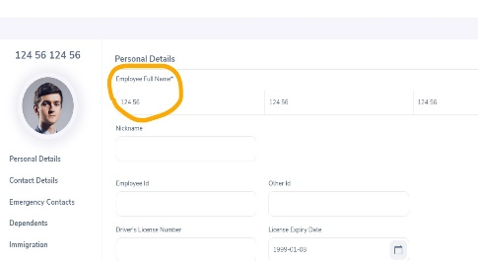 NA | 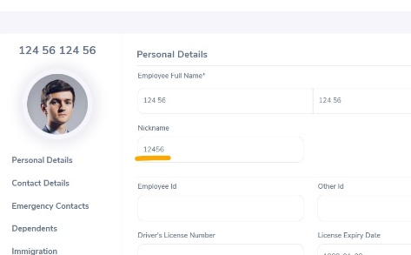 NA | 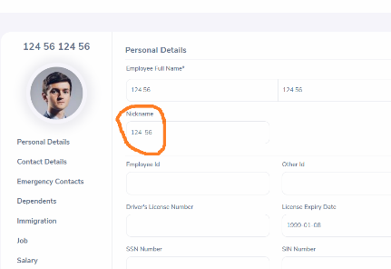 NA | 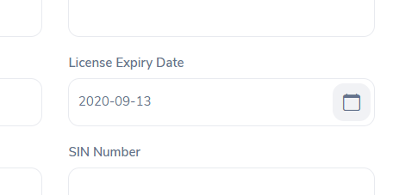 NA
Brief Description /OBSERVATION/ findings | Verify First, Middle and last name field for numbers | Verify First, Middle and last name field for spaces | Verify Nickname field for numbers | Verify Nickname field for spaces | Verify license expiry date field for a date from past
Navigation Steps | 1. Go to My Info 2. Go to Name field | 1. Go to My Info 2. Go to Name field | 1. Go to My Info 2. Go to Nickname field | 1. Go to My Info 2. Go to Nickname field | 1. Go to My Info 2. Go to license expiry date field
Expected Result | First, Middle and last name fields should not accept numbers | First, Middle and last name fields should not accept space between two letters | Nickname fields should not accept numbers | Nickname fields should not accept space between two letters | User should Not able to select the date from past
Actual Result | First, Middle and last name field is accepting numbers | This field is accepting spaces between two letters | Nickname fields is accepting numbers | Nickname fields is accepting space between two letters | User is able to select the date from past

